Camel active
Style code | BRAND | STYLE/CODE | Made in | Material | Color | 40 | 41 | 42 | 43 | 44 | 45 | 46 | 47 | 48 | 49 | 50 | tot units
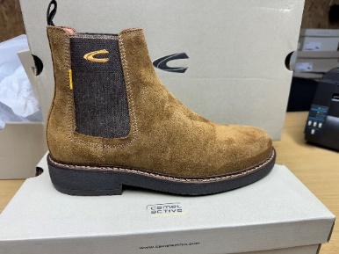 | CAMEL | 23253275 | PORTUGAL | SUEDE | COGNAC |  | 22 | 21 | 22 | 22 | 22 | 22 |  |  |  |  | 131
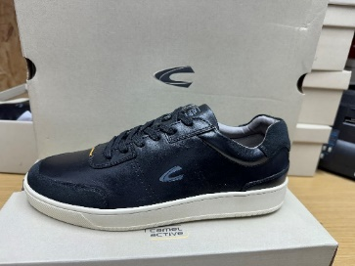 | CAMEL | 24233964.C00 | PORTUGAL | LEATHER/SUEDE | BLACK |  | 19 | 27 | 46 | 46 | 40 | 26 | 10 |  |  |  | 214
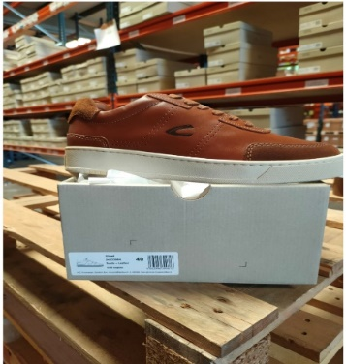 | CAMEL | 24233964.C45 | PORTUGAL | LEATHER/SUEDE | COGNAC | 10 | 12 | 6 | 15 | 20 | 27 | 7 | 8 | 6 | 3 | 6 | 120
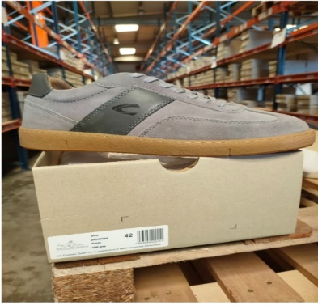 | CAMEL | 24233966.C25 | PORTUGAL | SUEDE/LEATHER | GREY |  | 11 | 17 | 20 | 18 | 18 | 5 | 10 |  |  |  | 99
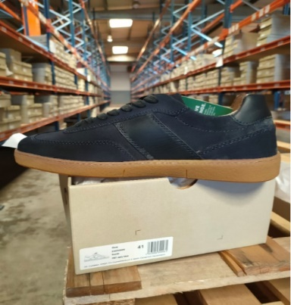 | CAMEL | 24233966.C67 | PORTUGAL | SUEDE/LEATHER | NAVY | 2 | 19 | 21 | 31 | 37 | 31 | 16 | 14 |  |  |  | 171
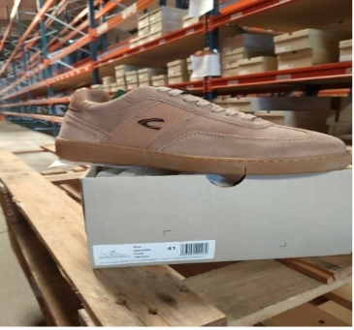 | CAMEL | 24233966.C88 | PORTUGAL | SUEDE/LEATHER | SAND | 12 | 22 | 20 | 30 | 26 | 25 | 19 | 12 |  |  |  | 166
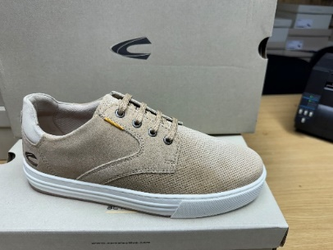 | CAMEL | 24233967.C25 | PORTUGAL | SUEDE | SAND | 15 | 56 | 76 | 93 | 86 | 59 | 44 | 19 |  |  |  | 448
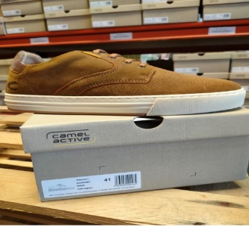 | CAMEL | 24233967.C45 | PORTUGAL | SUEDE | COGNAC | 1 | 23 | 48 | 35 | 32 | 38 | 28 | 11 |  |  |  | 216
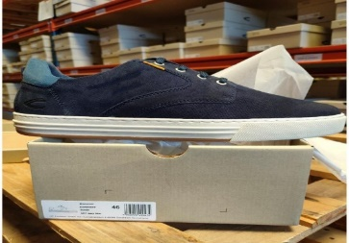 | CAMEL | 24233967.C67 | PORTUGAL | SUEDE | NAVY | 1 | 51 | 51 | 67 | 66 | 67 | 48 | 26 |  |  |  | 377
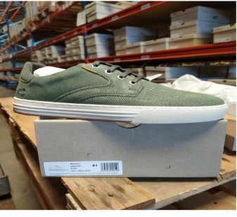 | CAMEL | 24233967.C711 | PORTUGAL | SUEDE | MILITARY | 7 | 21 | 22 | 25 | 25 | 22 | 22 |  |  |  |  | 144
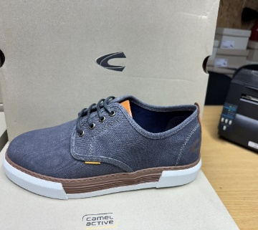 | CAMEL | 24238951.C67 | PORTUGAL | CANVAS | NAVY |  | 11 | 11 | 16 | 16 | 15 | 11 | 5 |  |  |  | 85
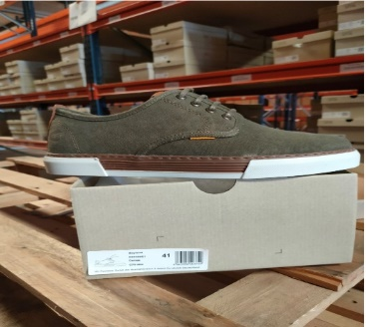 | CAMEL | 24238951.C70 | PORTUGAL | CANVAS | OLIVE |  | 19 | 42 | 16 | 16 | 16 | 16 |  |  |  |  | 125
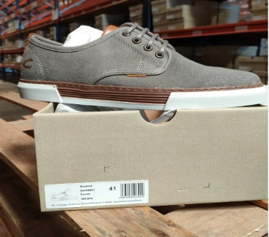 | CAMEL | 24238951.C88 | PORTUGAL | CANVAS | GREY | 23 | 25 | 26 | 52 | 52 | 52 | 26 | 26 |  |  |  | 282
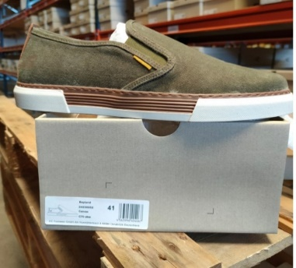 | CAMEL | 24238952.C70 | PORTUGAL | CANVAS | OLIVE |  | 1 | 1 | 2 | 2 | 2 | 1 | 1 |  |  |  | 10
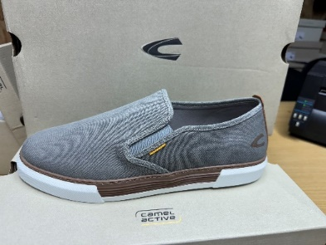 | CAMEL | 24238952.C88 | PORTUGAL | CANVAS | GREY | 5 | 15 | 21 | 28 | 22 | 20 | 7 | 7 |  |  |  | 125
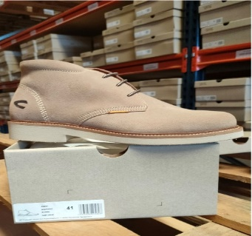 | CAMEL | 24243944.C25 | PORTUGAL | SUEDE | SAND | 9 | 29 | 25 | 35 | 30 | 16 | 11 | 5 |  |  |  | 160
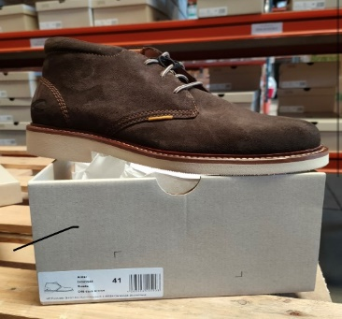 | CAMEL | 24243944.C46 | PORTUGAL | SUEDE | DARK BROWN | 5 | 13 | 19 | 26 | 23 | 14 | 10 | 4 |  |  |  | 114
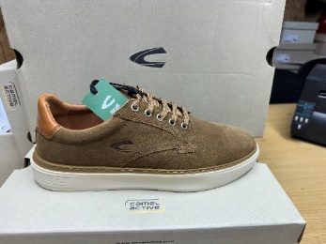 | CAMEL | 24233949.C24 | PORTUGAL | SUEDE | TAUPE |  | 1 | 4 | 4 | 4 | 1 | 2 | 1 |  |  |  | 17
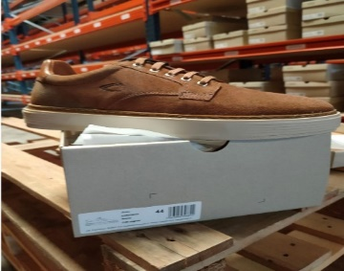 | CAMEL | 24233949.C45 | PORTUGAL | SUEDE | COGNAC |  | 6 | 5 | 8 | 8 | 8 | 6 | 7 |  |  |  | 48
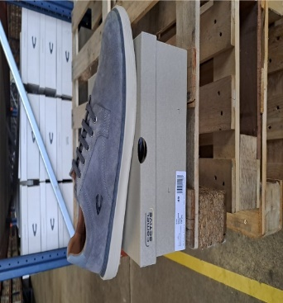 | CAMEL | 24233949.C88 | PORTUGAL | SUEDE | GREY |  |  |  | 6 |  |  |  |  |  | 8 | 5 | 19
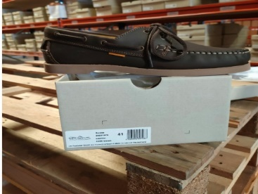 | CAMEL | 24231978.C420 | PORTUGAL | LEATHER | BROWN |  | 17 | 17 | 25 | 51 | 24 | 18 | 7 |  |  |  | 159
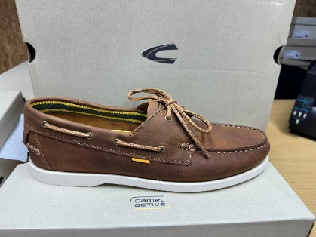 | CAMEL | 24231978.C45 | PORTUGAL | LEATHER | COGNAC | 9 | 21 | 21 | 29 | 29 | 29 | 21 | 13 |  |  |  | 172
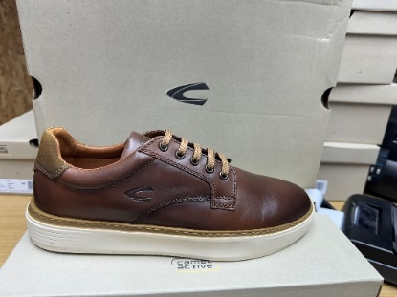 | CAMEL | 24231649.C45 | PORTUGAL | LEATHER | COGNAC |  |  |  | 1 | 2 | 4 |  | 1 |  | 8 | 3 | 19
 |  |  |  |  |  |  |  |  |  |  |  |  |  |  |  |  | 3421

